3.4 Less locking
1. Will JPF report a data race if two threads use writeBuf at the same time?
When you separate seek and write on two locks with two synchronized functions, concurrency has to be dealt with in the WriteBuf itself. There could occur an error as seeking and writing would then be tried to do simultanously. When we implemented the split synchronized function in the WriteBuf in the Downloader, there was no error detected, but JPF has its boundaries at this point since the network processes are highly abstracted. The same we had in the example "Racer" in the lecture where the threads sometimes interfere but predominantly we have atomic operations. So for the downloader the position were the data should be placed(found out with seek) in the output file would be searched for simutanously with the writing into the RandomAccessFile output. Therefore the data could be placed at wrong places and a data race could occur. When 2 worker threads want to access the writeBuf method at the same time both are accessing the output file at the same time without protection against concurrency. It is not guaranteed now that the writing access is placed at the right position now.
2. Are there any other problems that can occur for different interleaving of calls to writeBuf?
There can be interleavings between the processes of webserver and downloader as seeking and writing can be done in concurrency by the different "threads". That is not a data race in the original sense as the concurrency is not within one thread but within multiple threads. In the lecture we had the tax sheet example where a network based system sent tax sheets from different persons(threads). This concurrency error is quite hard to detect, because it only occurs if you have data races in your processes that change th possible order of executed operations due to overwriting data. So here it could be the case that we have a data race error as described in one in the downloader. The worker threads are overwriting each other in the output file and therefore the main thread could be finished at the wrong time and the output file is incorrect.
How can we detect these process interleavings?
We could implement a function for the output access, so that there can not be multiple threads accessing the output file at once. There are no data races then anymore that could affect the output file result. But then of cause we do not reduce Locking anymore. Our idea would be implementing a method access in the Downloader as something like the following.

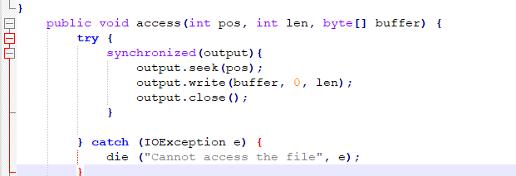
 |  | try {
 |  |  | synchronized(output){
 |  |  |  | output.seek(pos);
 |  |  | }
 |  |  | synchronized(output){
 |  |  |  | output.write(buffer, 0, len);
 |  |  | }

 |  | } catch (IOException e) {
 |  |  | die ("Cannot write to file", e);
 |  | }
 | }
}

